Sheet1
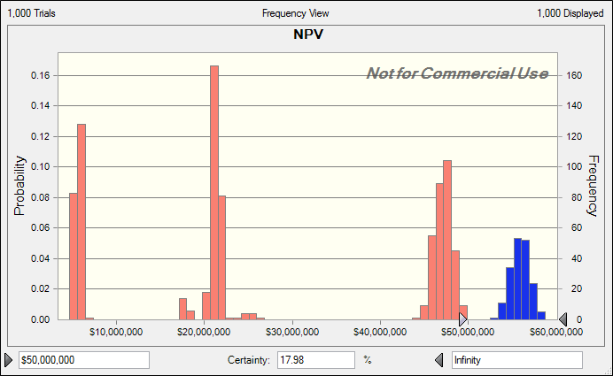
Long Term Marketing Planning

Given Information

Year of 1st production | year | probability |  | Market Position |  | position | probability |  | Correlation year and position
 | 1 | 0.2 |  |  |  | 1st | 0.5 |  | 0.8
 | 2 | 0.7 |  |  |  | 2nd | 0.3
 | 3 | 0.1 |  |  |  | 3rd | 0.2

Current Market | 10,000,000 |  | Annual Growth Rate |  |  |  | Correlation of growth rates
 |  |  |  | mean | 2.0% |  | 0.7
 |  |  |  | st dev | 0.5%
Profit per Product | $5.00
Annual Discount Rate | 10%

Year of Production | 1 | 2 | 3 | 4 | 5 | 6 | 7 | 8 | 9 | 10
Market share if product is out 1st | 5% | 12% | 15% | 18% | 20% | 21% | 21% | 21% | 21% | 21%
Market share if product is out 2nd | 3% | 5% | 7% | 9% | 9% | 9% | 9% | 9% | 9% | 9%
Market share if product is out 3rd | 2% | 2% | 2% | 2% | 2% | 2% | 2% | 2% | 2% | 2%

Model Output
Notes

Year of 1st production | random
Market position | random

Ten Year Model | Market Size
 | market growth rate |  | random
 | Market Share (%) |  | find from table |  |  | examples
 |  | year of model |  |  | 1 | 1 | 2 | 4 | 6
 |  | 1st year of production |  |  | 2 | 1 | 1 | 3 | 3
 |  | initial market position |  |  | 1 | 2 | 1 | 1 | 2
 |  | year of production |  |  | not | 1 | 2 | 2 | 4
 |  | share |  |  |  | 0.03 | 0.12 | 0.12 | 0.09

 |  | row | market position
 |  | col | year of production |  |  | year of model -1st year production+1
 | # of cutomers
 | profit per year
 | NPV

Actual Model

Year of 1st production | 3
Market position | 1

Model Year | 1 | 2 | 3 | 4 | 5 | 6 | 7 | 8 | 9 | 10
Market growth rate | 0.02 | 0.02 | 0.02 | 0.02 | 0.02 | 0.02 | 0.02 | 0.02 | 0.02 | 0.02
Market Size | 10,200,000 | 10,404,000 | 10,612,080 | 10,824,322 | 11,040,808 | 11,261,624 | 11,486,857 | 11,716,594 | 11,950,926 | 12,189,944
Market share (%) | 0 | 0 | 0.05 | 0.12 | 0.15 | 0.18 | 0.2 | 0.21 | 0.21 | 0.21
# of customers | - | - | 530,604 | 1,298,919 | 1,656,121 | 2,027,092 | 2,297,371 | 2,460,485 | 2,509,694 | 2,559,888
profit | $- | $- | $2,653,020 | $6,494,593 | $8,280,606 | $10,135,462 | $11,486,857 | $12,302,424 | $12,548,472 | $12,799,441
NPV | $39,182,217

