model
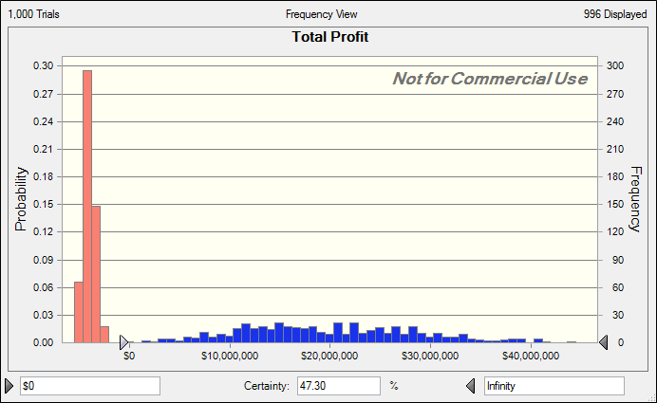
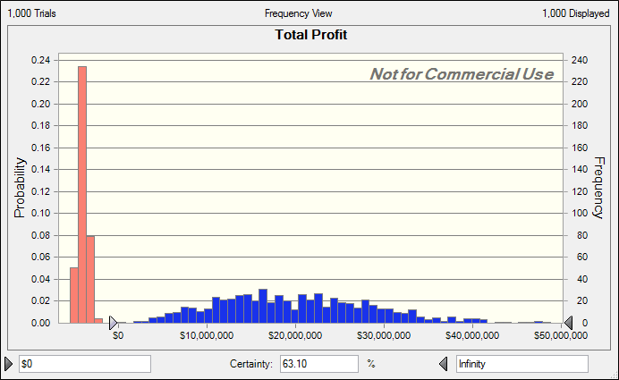
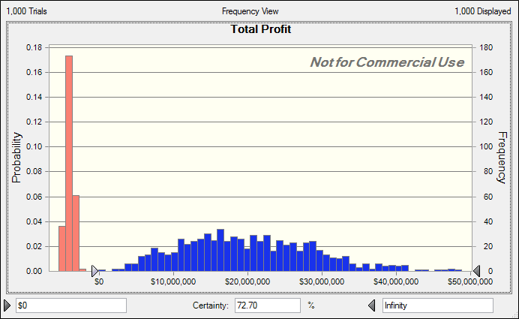
New Product Analysis

Given Information |  |  | Model
 | Eventually Random

 | Testing Costs (historical data) | about $4,000,000 | Testing Costs | $4,000,000 | preliminary trials | 800
 | required successful tests | 20 | # of successful tests | 25 | # of successes | 225
 | # of successful tests |  | FDA approval | yes
 | # of trials | 100 | Marketing Costs | $16,000,000 | proportion of successes | 0.28125
 | exp. successful tests as % | 25% | Current Market(# of people) | 40,000,000
 | Marketing Costs |  | Rate of Growth in Market | 2.5% | 95 % CI for prop of success
 | minimum | $12,000,000 | Next year market | 41,000,000 | lower | 0.25004697751
 | most likely | $16,000,000 | Market share (%) | 8% | upper | 0.31245302249
 | maximun | $18,000,000 | # of customers | 3,280,000
 | Current Market | 40,000,000 | Marginal Profit per Customer | $12.00
 | Growth in Market (%)
 | Without Competition |  | Total Profit | $19,360,000
 | probability | 0.75
 | minimum | 0%
 | maximun | 5% | Forecast: Total Profit |  | Forecast: Total Profit |  | Forecast: Total Profit |  | Forecast: Total Profit
 | With Competition |  | Statistic | Forecast values | Statistic | Forecast values | Statistic | Forecast values | Statistic | Forecast values
 | probability | 0.25 | Trials | 1,000 | Trials | 1,000 | Trials | 1,000 | Trials | 1,000
 | minimum | -15% | Base Case | 19,360,000 | Base Case | $19,360,000 | Base Case | $19,360,000 | Base Case | $19,360,000
 | maximun | -5% | Mean | $18,096,114 | Mean | $7,404,403 | Mean | $11,189,254 | Mean | $13,507,471
 | Market Share (%) |  | Median | $18,433,261 | Median | ($3,143,274) | Median | $12,220,865 | Median | $14,883,347
 | mean | 8% | Mode | '--- | Mode | '--- | Mode | '--- | Mode | '---
 | st dev | 2% | Standard Deviation | $10,847,446 | Standard Deviation | $13,521,053 | Standard Deviation | $13,611,984 | Standard Deviation | $13,139,117
 | minimum | 5% | Variance | $117,667,078,124,982 | Variance | $182,818,873,780,739 | Variance | $185,286,098,833,841 | Variance | $172,636,383,690,004
 | Marginal Profit per Customer | $12.00 | Skewness | ($0) | Skewness | 0.7079 | Skewness | 0.2613 | Skewness | 0.032
 |  |  | Kurtosis | 2.84 | Kurtosis | 2.19 | Kurtosis | 1.9 | Kurtosis | 2.01
 |  |  | Coeff. of Variation | 0.5994 | Coeff. of Variation | 1.83 | Coeff. of Variation | 1.22 | Coeff. of Variation | 0.9727
 |  |  | Minimum | ($5,056,067) | Minimum | ($5,443,556) | Minimum | ($5,443,556) | Minimum | ($5,443,556)
 |  |  | Maximum | $48,787,202 | Maximum | $48,787,202 | Maximum | $48,787,202 | Maximum | $48,787,202
 |  |  | Mean Std. Error | $343,026 | Mean Std. Error | $427,573 | Mean Std. Error | $430,449 | Mean Std. Error | $415,495

 |  |  | lower | $17,422,980 | lower | $6,565,359 | lower | $10,344,566 | lower | $12,692,128
 |  |  | upper | $18,769,248 | upper | $8,243,447 | upper | $12,033,942 | upper | $14,322,814

